Task 6
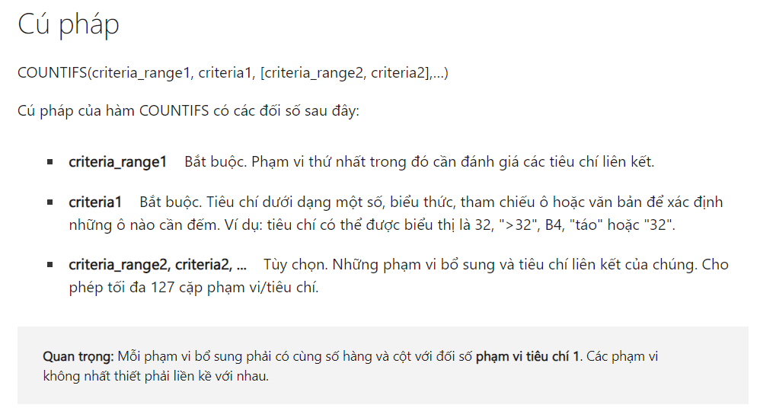
6. Count the number of transactions for 'Product A' in the 'East' sales region.

Month | Product | Units Sold | Unit Price | Sales Region | Product | Sales Region | Count Transactions
January | Product D | 91 | 67.56 | East | Product A | East | 5
January | Product B | 94 | 42.8 | East
April | Product A | 97 | 25.98 | East
January | Product C | 75 | 64.99 | North | CHECK
March | Product C | 54 | 35.02 | East | Month | Product | Units Sold | Unit Price | Sales Region
May | Product A | 31 | 65.85 | North | April | Product A | 97 | 25.98 | East
March | Product D | 68 | 30.84 | South | April | Product A | 17 | 57.95 | East
June | Product D | 29 | 50.05 | South | January | Product A | 97 | 88.51 | East
March | Product B | 38 | 46.4 | West | February | Product A | 37 | 90.04 | East
March | Product B | 83 | 63.82 | South | March | Product A | 39 | 77.45 | East
March | Product A | 18 | 35.84 | North
February | Product A | 11 | 40.12 | North
January | Product B | 14 | 84.75 | East
January | Product B | 82 | 94.06 | South
May | Product C | 26 | 91.99 | West
April | Product C | 67 | 54.76 | South
May | Product B | 16 | 21.71 | South
March | Product C | 12 | 82.81 | South
January | Product C | 39 | 34.61 | East
April | Product A | 23 | 66.11 | North
February | Product C | 56 | 48.51 | North
June | Product D | 58 | 81.03 | South
March | Product D | 88 | 62.62 | North
April | Product C | 52 | 49.12 | North
May | Product D | 49 | 52.9 | West
May | Product C | 54 | 39.7 | East
February | Product B | 18 | 28.96 | West
June | Product C | 66 | 37.04 | East
June | Product D | 43 | 75.97 | East
April | Product A | 94 | 93.92 | West
May | Product D | 45 | 91.26 | West
May | Product B | 17 | 48.4 | South
April | Product B | 52 | 85.85 | West
April | Product D | 55 | 50.52 | East
April | Product B | 56 | 22.72 | West
February | Product B | 84 | 90.98 | West
February | Product B | 43 | 59.77 | North
June | Product D | 62 | 22.09 | West
April | Product A | 38 | 91.35 | North
January | Product A | 81 | 99.41 | South
March | Product C | 3 | 42.42 | South
February | Product C | 63 | 55.72 | West
February | Product B | 82 | 88.13 | East
April | Product A | 17 | 57.95 | East
March | Product D | 71 | 42.2 | North
June | Product A | 54 | 87.33 | West
April | Product D | 99 | 35.61 | South
January | Product A | 97 | 88.51 | East
February | Product C | 48 | 44.62 | South
January | Product A | 49 | 29.19 | North
June | Product B | 10 | 38.56 | South
May | Product A | 50 | 35.21 | West
March | Product C | 54 | 91.75 | West
January | Product A | 35 | 77.03 | South
January | Product B | 4 | 41.79 | East
March | Product C | 12 | 46.51 | South
June | Product B | 50 | 30.68 | East
March | Product D | 30 | 57.74 | East
February | Product A | 37 | 90.04 | East
January | Product A | 94 | 72.58 | West
June | Product B | 68 | 79.12 | South
March | Product B | 27 | 86.5 | East
February | Product D | 53 | 83.18 | East
June | Product A | 37 | 80.59 | South
May | Product B | 74 | 67.42 | West
March | Product A | 32 | 37.49 | West
January | Product C | 86 | 59.04 | North
April | Product A | 93 | 69.68 | West
April | Product C | 69 | 96.44 | South
April | Product A | 84 | 39.69 | North
June | Product B | 72 | 26.36 | East
January | Product D | 62 | 59.87 | South
June | Product C | 94 | 54.86 | South
February | Product C | 37 | 43.94 | East
May | Product D | 43 | 59.14 | East
March | Product C | 14 | 91.37 | North
April | Product C | 49 | 60.59 | West
April | Product C | 83 | 48.83 | West
May | Product B | 33 | 92.31 | West
March | Product A | 39 | 77.45 | East
May | Product B | 41 | 71.64 | North
April | Product C | 54 | 40.1 | West
February | Product D | 94 | 31.14 | West
January | Product B | 15 | 80.55 | East
May | Product A | 39 | 65.27 | North
April | Product A | 87 | 31.85 | South
May | Product A | 38 | 95.97 | West
June | Product B | 1 | 38.54 | North
March | Product C | 60 | 99.46 | East
March | Product A | 42 | 84.75 | South
May | Product C | 45 | 69.5 | East
March | Product C | 20 | 32.77 | South
June | Product D | 77 | 82.98 | North
May | Product C | 67 | 93.88 | North
February | Product C | 14 | 27.16 | North
March | Product D | 88 | 33.87 | South
March | Product B | 66 | 83.54 | South
January | Product C | 69 | 78.75 | West
March | Product D | 55 | 88.15 | South
March | Product B | 1 | 67.02 | West

